SafetyLock
Designator | Comment | Description | Quantity | Manufacturer | Manufacturer Part Number
C1, C2, C4, C7, C8, C9 | 0.1uF | CAP CER 0.1UF 25V X7R 0603 | 120 | CAL-CHIP ELECTRONICS, INC. | GMC10X7R104J25NT
C3 | 22uF | CAP | 20 | MURATA | GRM186R60J226ME15D
C5 | 220uF | Tantalum Capacitors - Solid SMD 10V 220uF 2917 10% ESR=0.1ohms | 20 | KEMET | T493X227K010BH6420
C6 | 10nF | CAP CER 0603 10NF 16V X7R 10% | 20 | KEMET | C0603C103K4RECAUTO
C1_Touch | 820pF | CAP CER 820PF 50V NP0 0603 | 20 | KYOCERA AVX | 06035A821FAT2A
C2_Touch | 1uF | CAP CER 1UF 16V X5R 0603 | 20 | KYOCERA AVX | 0603YD105MAT2A
D1 | SS34A | Diode | 20 | DSK | SS34A
IC1 | IC BATT MON LI-ION 1CELL 8TDFN | Integrated Circuit | 20 | Analog Devices Inc./Maxim Integrated | MAX17048G+T10
IC2 | SOT-23-6 Battery Management ICs ROHS | Integrated Circuit | 20 | TOPPOWER(Nanjing Extension Microelectronics) | TP4057-42-SOT26-R
IC3 | IC OR CTRLR SRC SELECT TSOT23-6 | Integrated Circuit | 20 | Analog Devices Inc. | LTC4412HVIS6#TRMPBF
IC4 | SOT-23-6 Battery Management ICs ROHS | Integrated Circuit | 20 | Fortune Semicon | DW01A-G
J1 | USB4120-03-C_REVA | USB C | 20 | GCT | USB4120-03-C_REVA
J2, J6, J8, J9,J10,J11 | CONN HEADER VERT 2POS 2.5MM | Connector | 120 | JST Sales America Inc. | 455-2247-ND
J3 | B4B-XH-A(LF)(SN) | Connector Header Through Hole 4 position 0.098 (2.50mm) | 20 | JST Sales America Inc. | B4B-XH-A(LF)(SN)
J4, J1 Touch | CONN FPC BOTTOM 10POS 0.50MM R/A | Connector | 40 | TE Connectivity AMP Connectors | 1-1734592-0
J5 | 532610671 | CONN HEADER SMD R/A 6POS 1.25MM | 20 | Molex | 532610671
J7 | 25SH-B-06-TS | CONN HEADER VERT 6POS 2.5MM | 20 | Adam Tech | 25SH-B-06-TS
LS1 | AI-1223-TWT-3V-2-R | AUDIO INDICATOR 82 DB 3 VDC 2300 HZ | 20 | PUI Audio, Inc. | AI-1223-TWT-3V-2-R
Q1 | FDC606P | P-Channel 12V 6A (Ta) 1.6W (Ta) Surface Mount SuperSOTâ„¢-6 | 20 | onsemi | FDC606P
Q2 | FS8205A | Transistor | 20 | FUXINSEMI | FS8205A
Q3, Q4,Q5,Q8,Q9,Q1_Touch | MMBT2222A-G | Transistor BJT NPN | 120 | Comchip | MMBT2222A-G
Q6 | MI2301 | Mosfet | 20 | MegaPower Semiconductor | MI2301
Q7 | KST8550D | Trans GP BJT PNP 45V 0.5A 350mW Automotive 3-Pin SOT-23 T/R | 20 | Kexin | KST8550D
R1, R2 | 5.1k |  | 40 | Stackpole Electronics Inc | RMCF0603JT5K10
R3, R4, R5, R10, R13, R14, R16, R17, R18, R25, R26,R43 | 4.7k |  | 220 | Stackpole Electronics Inc | RMCF0603JT4K70
R6 | 1.6k |  | 20 | YAGEO | RC0603JR-071K6L
R7 | 470k |  | 20 | Stackpole Electronics Inc | RMCF0603JT470K
R8, R24,R5_Touch | 100R |  | 60 | Stackpole Electronics Inc | RMCF0603JT100R
R9, R36, R37, R38, R40, R42,R4_Touch | 1k |  | 140 | YAGEO | RC0603JR-071KL
R11, R12, R19, R20, R27, R28, R29,R15,R33,R44 | 0R | Resistor | 180 | Meritek | CR16000J
R21, R23 | 12k |  | 40 | Stackpole Electronics Inc | RMCF0603JT12K0
R22 | 220R |  | 20 | Panasonic Electronic Components | ERJ-3GEYJ221V
R30, R31, R32,R39,R41 | 10K | Resistor | 100 | TE Connectivity Passive Product | CRG0603J10K
R34, R35 | 100K |  | 40 | Vishay Dale | CRCW0603100KJNEB
R1_Touch | 510k | RES 510K OHM 5% 1/10W 0603 | 20 | Stackpole Electronics | RMCF0603JT510K
R2_Touch | 2M | RES 2M OHM 5% 1/10W 0603 | 20 | Stackpole Electronics | RMCF0603JT2M00
R3_Touch | 20K | RES 20K OHM 5% 1/10W 0603 | 20 | Stackpole Electronics | RMCF0603JT20K0
U1 | SPX3819M5-L-3-3/TR | Linear Voltage Regulator IC 1 Output 500mA SOT-23-5 | 20 | MaxLinear, Inc. | SPX3819M5-L-3-3/TR
U2 | Esp32 | Bluetooth, WiFi Transceiver Module 2.4GHz ~ 2.5GHz Surface Mount | 10 | Espressif Systems | ESP32-WROOM-32U-N4
U3 | DRV8837CDSGR | 11-V, 1-A H-bridge motor driver 8-WSON -40 to 85 | 20 | Texas Instruments | DRV8837CDSGR
U1_Touch | ADS TSM12 |  | 20 |  | ADS TSM12
Antenna | 1461530250 | RF ANT 2.4/5GHZ FLAT PATCH 250MM | 2 | Molex | 1461530250
Antenna | C454903 | 34mmx7mm Antennas ROHS | 3 | ZIISOR | TXGN-FPC-3407
2 PIN JST XH Female Connector on Both Side - 300mm 1007 26 AWG Connector |  | Working temperature：80°C； Operating voltage: 80V；Working current:1.3A ; Pin pitch: 2.54mm ; Total Length: 300mm ; Wire specificatin: 26 AWG ; Wire material: Copper + PVC | 50 | LATTECH | B07NTY4972 | 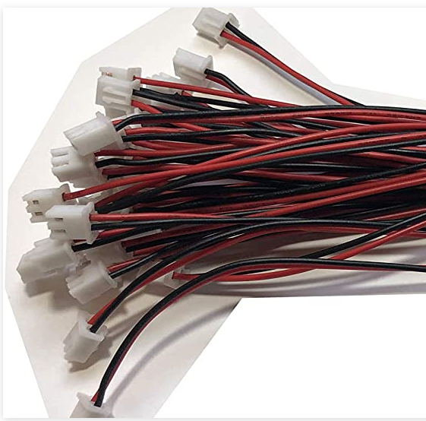
JST XH 2.5-4 Pin Battery Connector Plug Female |  | RC Connector Wire's Pitch:2.5mm; Cable Length : 300mm; Material:Tinned copper wire, plastic head at each end. | 30 |  | https://www.ebay.com/itm/324729399372?_trkparms=ispr%3D1&hash=item4b9b61684c:g:eCAAAOSwDGVg~4lN&amdata=enc%3AAQAGAAACsPYe5NmHp%252B2JMhMi7yxGiTJkPrKr5t53CooMSQt2orsSvhAqMt0wg86xg8aAkgjQJMhBziml%252FRZ0c6%252FUH80W0UTjKkZv0bd5Uh601AHw5ZR%252F2j61S5X8PmhWsU
JST XH 2.5 6-Pin Female Connector wire 300mm |  | XH 2.5mm 6-Pin Female Connector plug with Wire | 20 |  | https://www.ebay.com/itm/171351041598 | 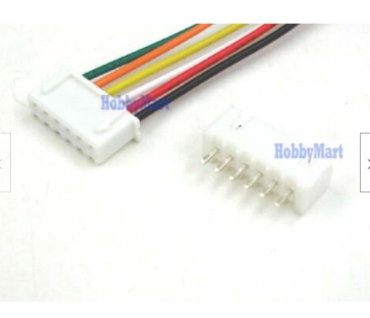
uxcell B Type 0.5mm Pitch 10 Pin AWM 80C 60V Flexible Flat Cable FFC FPC 300mm |  | Cable: Pin on the Same Side (A Type); Pin Count: 10 Pins; Pitch: 0.5mm; Length: 300mm | 20 | uxcell Store | B016DRY6CG | 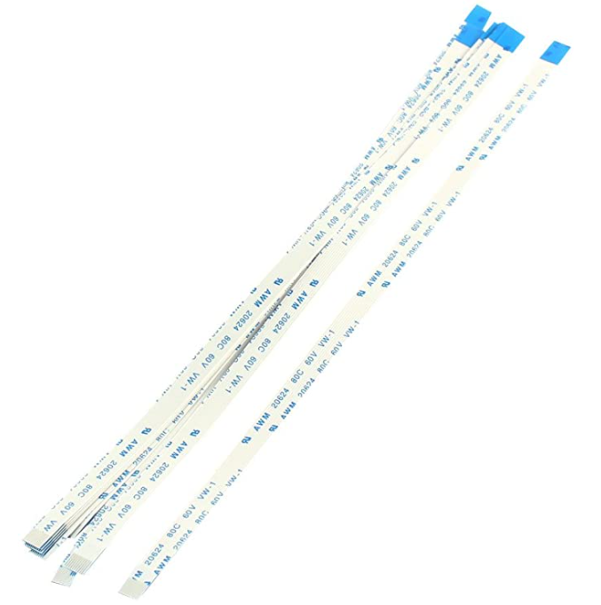
PICOBLADE 6 CIRCUIT 300MM |  | 6 Position Cable Assembly Rectangular Socket to Socket ' 300mm | 20 | Molex | 151340602

